Sampling distributions
Sample size 10 | Sample size 30 | Sample size 100 | Sampling distribution | Sample size 10 | Sample size 30 | Sample size 100
96.727 | 73.518 | 84.8098 | mean | 85.99 | 86.27 | 86.32
77.265 | 83.286333333 | 85.1028 | SD | 7.39 | 4.96 | 2.37
88.828 | 87.064666667 | 82.5887
80.648 | 88.388666667 | 85.63
83.949 | 91.258666667 | 85.5862
78.902 | 89.004 | 84.5911
80.29 | 87.348666667 | 83.8214
79.888 | 94.108666667 | 88.604
96.57 | 90.281666667 | 83.874
90.668 | 80.037666667 | 84.7345
79.268 | 83.824 | 87.7208
81.467 | 78.467333333 | 88.3421
80.963 | 91.363333333 | 90.2382
98.661 | 87.377333333 | 87.431
83.113 | 88.268 | 87.985
88.953 | 80.704 | 90.2377
83.517 | 84.477333333 | 83.137
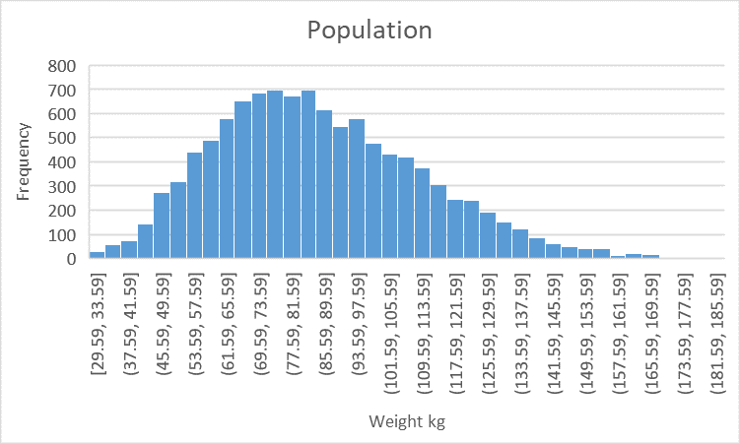
89.026 | 85.799666667 | 88.55
82.942 | 86.619333333 | 80.1
91.643 | 91.426 | 81.5755
80.13 | 94.105333333 | 85.5184
77.696 | 87.965 | 83.7554
92.387 | 83.776666667 | 90.6669
99.434 | 80.232333333 | 87.5668
76.896 | 89.766666667 | 89.6006
93.029 | 87.410333333 | 87.4176
72.563 | 81.146333333 | 87.6784
77.832 | 85.325 | 87.6982
86.286 | 96.378666667 | 85.914
76.544 | 91.986666667 | 84.0942
86.25 | 84.387 | 90.4516
85.762 | 87.308666667 | 83.4862
83.799 | 82.902666667 | 88.7523
87.281 | 92.499 | 87.3477
85.745 | 84.951666667 | 91.777
82.503 | 83.419 | 83.3412
83.882 | 83.998 | 87.1869
78.672 | 90.398666667 | 84.6261
76.079 | 78.318666667 | 83.6694
84.097 | 90.655666667 | 88.3199
102.032 | 79.586333333 | 84.6375
75.633 | 85.265333333 | 85.8147
90.642 | 98.679 | 86.7944
93.235 | 84.013333333 | 86.9491
95.089 | 84.105 | 85.2856
86.649 | 90.115666667 | 86.3709
82.312 | 95.973 | 88.7582
76.051 | 82.274 | 88.4526
83.723 | 84.546333333 | 88.693
73.529 | 94.341666667 | 85.9306
76.53 | 91.297333333 | 83.5229
82.401 | 84.943666667 | 88.392
74.481 | 90.716 | 89.9385
86.909 | 79.897 | 83.0774
94.376 | 84.893 | 84.4454
90.493 | 81.829 | 84.6871
83.827 | 90.632333333 | 85.2389
92.694 | 86.081666667 | 83.8991
94.693 | 88.068666667 | 85.9612
81.261 | 83.971333333 | 85.8339
91.775 | 91.980666667 | 84.6787
91.038 | 87.980666667 | 83.4215
87.088 | 86.788666667 | 86.496
102.581 | 79.156 | 83.3245
81.296 | 86.099333333 | 83.8959
88.973 | 85.580666667 | 89.9292
91.306 | 79.216333333 | 88.9754
83.719 | 87.661333333 | 88.5363
83.269 | 83.224666667 | 87.9963
78.292 | 93.526 | 84.853
79.971 | 83.411666667 | 84.3448
88.567 | 81.428333333 | 84.8656
84.874 | 76.557666667 | 83.0037
73.75 | 91.202666667 | 84.134
90.554 | 79.892333333 | 91.4009
82.006 | 91.228 | 87.2966
81.828 | 88.782666667 | 89.7312
80.779 | 93.880333333 | 87.5132
78.368 | 79.902666667 | 86.4528
86.877 | 87.042333333 | 87.1226
84.915 | 83.268666667 | 83.0871
96.576 | 91.652 | 87.0818
101.794 | 83.907333333 | 86.9428
96.758 | 90.214 | 83.4212
93.179 | 82.876 | 86.7248
87.439 | 86.167333333 | 87.3435
98.582 | 79.639666667 | 87.7485
87.446 | 89.612666667 | 85.9165
89.821 | 84.743333333 | 86.5394
71.083 | 85.192333333 | 85.3203
81.123 | 94.611 | 86.0276
99.561 | 84.062333333 | 86.9075
83.088 | 88.069 | 90.2477
85.467 | 85.972 | 87.4108
87.347 | 90.702333333 | 81.8117
103.034 | 82.145333333 | 87.0536
81.238 | 86.016 | 86.2366
86.407 | 82.539 | 85.0384
95.342 | 72.915 | 88.1362
85.209 | 87.602333333 | 89.2163

